Problem 1c
Problem #1c

Solution:
 | Our value from part a was the positive square-root of 0.7
 |  |  | Square root 0.7= | 0.83666002653
 |  |  | Rounding | 0.84
$$x_{0}=0.84$$
 | This means our starting point will be 0.84
 | For the newton raphson method we need to find f(x) and f'(x)
$$f\left(x\right)=\sec\left(x\right)−\cos\left(x\right)−0.7, f^{′}\left(x\right)=\tan\left(x\right)\sec\left(x\right)+sin⁡(x)$$
 |  |  |  |  |  |  | Note* How to find derivative of sec(x) d/dx(cos x)= -sin(x)
 | The formula used for the Newton-Raphson Method:
$$x_{n+1}=x_{n}−\frac{f\left(x_{n}\right)}{f^{′}\left(x_{n}\right)}$$
 | Lastly our Approximate Relative Error was calculated using:
$$ε_{a}=\left|\frac{Current−Previous}{Current}\right|×100$$
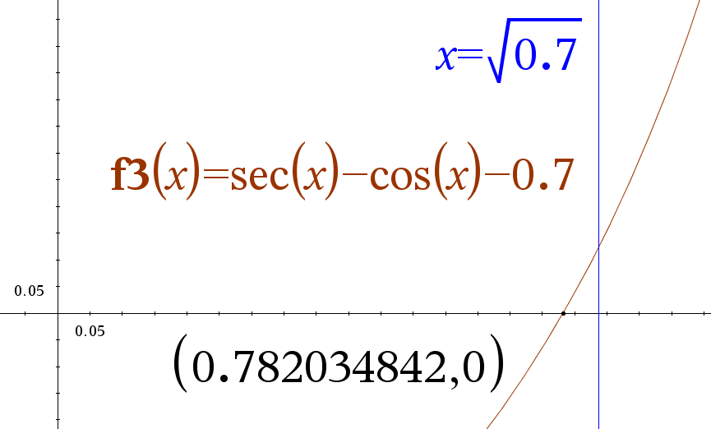
 | The program below will compute the above. The approximate relative error has been done to see if our approximations are actually converging or if they're diverging.
 |  | Given the nature of our function being a steady slope that's tangents point nicely towards the x axis (much like a squared parabola) and our starting point being close
 |  | we should be able to decently quickly approach some kind of a near exact value.
$$n$$
$$x_{n}$$
$$f(x_{n})$$
$$f′(x_{n})$$
$$x_{n}−\left(\frac{f\left(x_{n}\right)}{f^{′}\left(x_{n}\right)}\right)$$
$$ε_{a} (as \%)$$
 |  |  |  |  |  |  |  | From | To
 | x_ | 0 | 0.84 | 0.1307479528 | 2.4160955296 | 0.7858846096
 | x_ | 1 | 0.7858846096 | 0.0081392754 | 2.1237298879 | 0.7820520717 | 6.88592062 | x_0 | x_1
 | x_ | 2 | 0.7820520717 | 0.0000362660 | 2.1048406668 | 0.7820348419 | 0.49006173 | x_1 | x_2
 | x_ | 3 | 0.7820348419 | 0.0000000007 | 2.1047562343 | 0.7820348415 | 0.00220320 | x_2 | x_3

 |  | Exact answer found by graphing gives approximately:
 |  |  | 0.782034842
 |  | This is somewhat funny as the calculator has run out of digits it's willing to provide. By our third iteration we see
 |  |  | we're already converging on a value past 9 digits.
 |  |  |  | (namely) | 0.7820348415
 |  | There is no discrepency (technically there is as we'll never find the absolute exact perfect solution but practically there isn't one).
 |  |  | This makes a lot of sense. Our initial curve looks like the following:
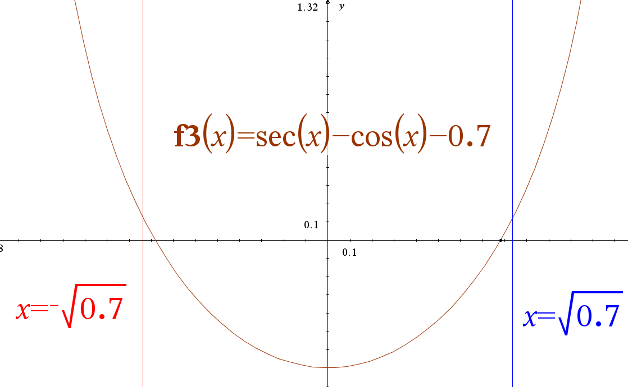

 |  | Compared to an x squared graph, this really isn't all that much different. Also, with our initial value being at 0.84, we're already close.
 |  |  | The key though is to observe that the first tangent line continuously put's us in a nice place for iterative tangents all the way until we're "squeezed" onto the point
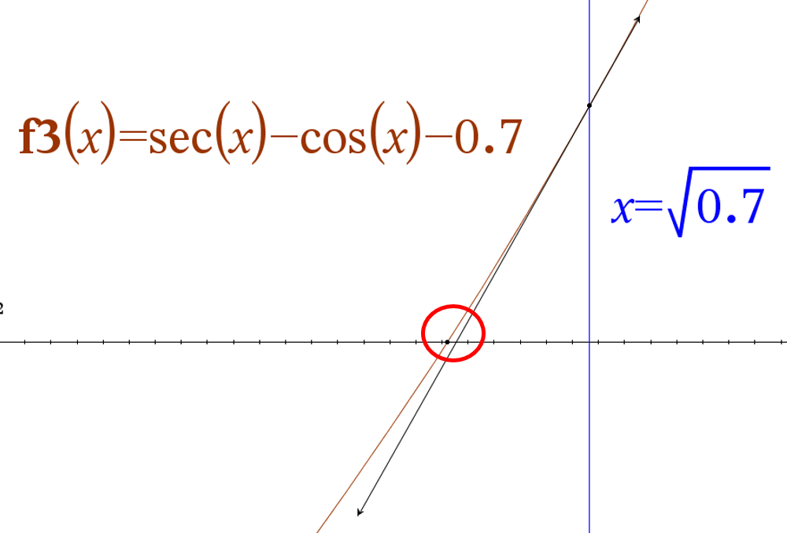

 |  | This miniscule gap, along with the curvature of the function, means our second and third iterations should converge rapidly.
 |  |  | We can also see that that infact is what's happening as our approximate realative error drops rapidly with each iteration, showing convergence.

 |  | As desired we've rounded our value from part a, computed three iterations of NewtonRaphson in excel, graphed it, interpreted our solution, and disucssed why there wasn't a discrepancy.

Problem 2
Problem #2 (a-d)
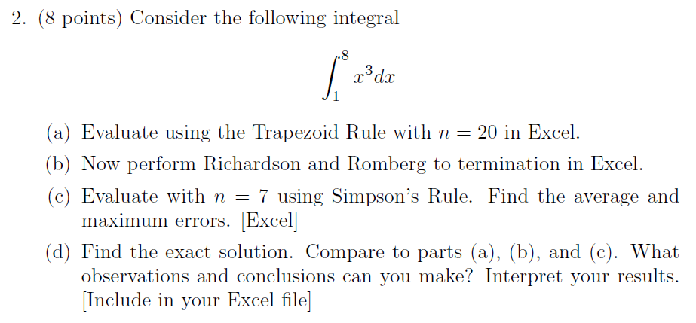

Solution:
 | Part a)
 |  | We can first list out our givens and observe the function graphically
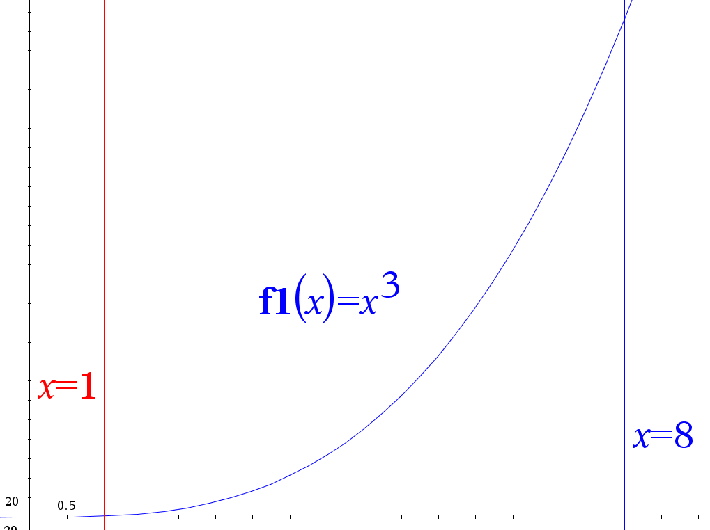
 |  | Variable | Value
 |  | a | 1
 |  | b | 8
 |  | n | 20

 |  | Now for our sub-intervals
$$Δx=\frac{b−a}{n}$$
$$Δx$$
 |  |  | 0.35

 |  |  | Graphically this means we'll have 20 subintervals, all with an equal width of 0.35

 |  |  | Now to use the equation for the trapezoid rule to calculate at n=20

$$\frac{Δx}{2}=$$
$$a+nΔx$$
$$f\left(a+nΔx\right)$$
$$2⋅f\left(a+nΔx\right)$$
 |  |  |  | 0.175
 |  |  | n
 |  |  | 0 | 1 | 1 | 1 |  | *Note, first and last, like the equation above, won't be multiplied by 2 and
 |  |  | 1 | 1.35 | 2.460375 | 4.92075 |  | are highlighted light yellow for that reason
 |  |  | 2 | 1.7 | 4.913 | 9.826
 |  |  | 3 | 2.05 | 8.615125 | 17.23025
 |  |  | 4 | 2.4 | 13.824 | 27.648
 |  |  | 5 | 2.75 | 20.796875 | 41.59375
 |  |  | 6 | 3.1 | 29.791 | 59.582
 |  |  | 7 | 3.45 | 41.063625 | 82.12725
 |  |  | 8 | 3.8 | 54.872 | 109.744
 |  |  | 9 | 4.15 | 71.473375 | 142.94675
 |  |  | 10 | 4.5 | 91.125 | 182.25
 |  |  | 11 | 4.85 | 114.084125 | 228.16825
 |  |  | 12 | 5.2 | 140.608 | 281.216
 |  |  | 13 | 5.55 | 170.953875 | 341.90775
 |  |  | 14 | 5.9 | 205.379 | 410.758
 |  |  | 15 | 6.25 | 244.140625 | 488.28125
 |  |  | 16 | 6.6 | 287.496 | 574.992
 |  |  | 17 | 6.95 | 335.702375 | 671.40475
 |  |  | 18 | 7.3 | 389.017 | 778.034
 |  |  | 19 | 7.65 | 447.697125 | 895.39425
 |  |  | 20 | 8 | 512 | 512
 |  |  |  |  | Sum | 5861.025
 |  |  |  |  | Integral approximation: | 1025.679375

 | Part b)
 |  | In order to do our Romberg and Richardson to completion, we first need to find the trapezoidal approximations for each n that are multiples of 2.
 |  |  | We notice that after 16 comes 32, so though the first problem wanted us to find n = 20, here we'll only be able to go up to n = 16.
 |  |  |  | n = 16 |  |  | n = 8 |  |  | n = 4 |  |  | n =2 |  |  | n =1
$$Δx$$
$$n$$
$$a+nΔx$$
$$f(a+nΔx)$$
$$a+nΔx$$
$$f(a+nΔx)$$
$$a+nΔx$$
$$f(a+nΔx)$$
$$a+nΔx$$
$$f(a+nΔx)$$
$$a+nΔx$$
$$f(a+nΔx)$$
 | n total |  |  |  |  | Mult. by 2 (skip a and b) |  |  | Mult. by 2 (skip a and b) |  |  | Mult. by 2 (skip a and b) |  |  | Mult. by 2 (skip a and b) |  |  | Mult. by 2 (skip a and b)
 | 1 | 7 | 0 | 1 | 1 | 1 | 1 | 1 | 1 | 1 | 1 | 1 | 1 | 1 | 1 | 1 | 1 | 1
 | 2 | 3.5 | 1 | 1.4375 | 2.9704589844 | 5.9409179688 | 1.875 | 6.591796875 | 13.18359375 | 2.75 | 20.796875 | 41.59375 | 4.5 | 91.125 | 182.25 | 8 | 512 | 512
 | 4 | 1.75 | 2 | 1.875 | 6.591796875 | 13.18359375 | 2.75 | 20.796875 | 41.59375 | 4.5 | 91.125 | 182.25 | 8 | 512 | 512
 | 8 | 0.875 | 3 | 2.3125 | 12.366455078 | 24.732910156 | 3.625 | 47.634765625 | 95.26953125 | 6.25 | 244.140625 | 488.28125
 | 16 | 0.4375 | 4 | 2.75 | 20.796875 | 41.59375 | 4.5 | 91.125 | 182.25 | 8 | 512 | 512
$$Δx/2$$
 | n total |  | 5 | 3.1875 | 32.385498047 | 64.770996094 | 5.375 | 155.28710938 | 310.57421875
 | 1 | 3.5 | 6 | 3.625 | 47.634765625 | 95.26953125 | 6.25 | 244.140625 | 488.28125
 | 2 | 1.75 | 7 | 4.0625 | 67.047119141 | 134.09423828 | 7.125 | 361.70507812 | 723.41015625
 | 4 | 0.875 | 8 | 4.5 | 91.125 | 182.25 | 8 | 512 | 512
 | 8 | 0.4375 | 9 | 4.9375 | 120.37084961 | 240.74169922
 | 16 | 0.21875 | 10 | 5.375 | 155.28710938 | 310.57421875
 |  |  | 11 | 5.8125 | 196.3762207 | 392.75244141
 |  |  | 12 | 6.25 | 244.140625 | 488.28125
 |  |  | 13 | 6.6875 | 299.08276367 | 598.16552734
 |  |  | 14 | 7.125 | 361.70507812 | 723.41015625
 |  |  | 15 | 7.5625 | 432.51000977 | 865.02001953
 |  |  | 16 | 8 | 512 | 512
 |  |  |  |  | Sum | 4693.78125 |  | Sum | 2367.5625 |  | Sum | 1225.125 |  | Sum | 695.25 |  | Sum | 513
 |  |  |  |  | Integral Approximation | 1026.7646484 |  | Integral Approximation | 1035.8085938 |  | Integral Approximation | 1071.984375 |  | Integral Approximation | 1216.6875 |  | Integral Approximation | 1795.5

 |  |  |  | Columns, k
 |  |  |  | 1 | 2 | 3 | 4 | 5
 |  | n | Row, r | Trapezoid Approximation at n | Richardson Extrapolation | Romberg Integration 1 | Romberg Integration 2 | Romberg Integration 3
 |  | 1 | 1 | 1795.5 | 1023.750000 | 1023.750000 | 1023.750000 | 1023.750000
 |  | 2 | 2 | 1216.6875 | 1023.750000 | 1023.750000 | 1023.750000
 |  | 4 | 3 | 1071.984375 | 1023.750000 | 1023.750000
 |  | 8 | 4 | 1035.8085938 | 1023.750000
 |  | 16 | 5 | 1026.7646484

 |  |  |  |  | *Note that here each of the cells follows the formula to the right
 |  |  |  |  | we're able to simply pull the formula across by locking in cells and
 |  |  |  |  | also not having to calculate out each 4 power minus 1 value

 |  |  |  | It seems odd that our values immediately converged. We'll see if this is appropriate when we calculate the exact value of the integral

$$Δx=$$
 | Part c)
 |  | Here because n has changed to 7, we'll find our delta x again and calculate from there
 |  | 1
$$n$$
$$a+nΔx$$
$$f(a+iΔx)$$
$$fact⋅f(a+nΔx)$$
$$\frac{Δx}{3}⋅Σ(fact⋅f\left(a+nΔx\right))$$
$$\frac{3Δx}{8}⋅Σ(fact⋅f\left(a+nΔx\right))$$
 | Rule |  |  |  | Factor (fact.)
 | 1/3 | 0 | 1 | 1 | 1 | 1 | 156 |  |  | Simpson 1/3
 |  | 1 | 2 | 8 | 4 | 32
 |  | 2 | 3 | 27 | 2 | 54
 |  | 3 | 4 | 64 | 4 | 256
 |  | 4 | 5 | 125 | 1 | 125
 | 3/8 | 4 | 5 | 125 | 1 | 125 | 867.75
 |  | 5 | 6 | 216 | 3 | 648 |  |  |  | Simpson 3/8
 |  | 6 | 7 | 343 | 3 | 1029
 |  | 7 | 8 | 512 | 1 | 512
 |  |  |  |  |  |  | Overall Approximation:
 |  |  |  |  |  |  | 1023.7500000000

$$n$$
$$a+nΔx$$
$$f(a+iΔx)$$
$$fact⋅f(a+nΔx)$$
$$\frac{Δx}{3}⋅Σ(fact⋅f\left(a+nΔx\right))$$
$$\frac{3Δx}{8}⋅Σ(fact⋅f\left(a+nΔx\right))$$
 | Rule |  |  |  | Factor (fact.)
 | 3/8 | 0 | 1 | 1 | 1 | 1 | 63.75
 |  | 1 | 2 | 8 | 3 | 24
 |  | 2 | 3 | 27 | 3 | 81
 |  | 3 | 4 | 64 | 1 | 64
 | 1/3 | 3 | 4 | 64 | 1 | 64 | 960
 |  | 4 | 5 | 125 | 4 | 500
 |  | 5 | 6 | 216 | 2 | 432
 |  | 6 | 7 | 343 | 4 | 1372
 |  | 7 | 8 | 512 | 1 | 512
 |  |  |  |  |  |  | Overall Approximation:
 |  |  |  |  |  |  | 1023.7500000000

 |  | This makes perfect sense. Our two values are both the same and both exact. Simpson's rule approximates polynomials.
 |  |  | Given that our function is a polynomial, there's nothing to approximate and so both doing 3/8 first or second
 |  |  | and 1/3 second or first respectively makes no difference. We should expect for part d that we get
 |  |  | the answer of 1023.75 as the exact calculation.
 |  | As such we could go about calculating the errors for the Simpson's rule, however this would be a waste of time, as it, compared
 |  |  | to the exact, would be the same, i.e. our errors would be 0.
 |  |  | To see why this is the case from the perspective of the equations:
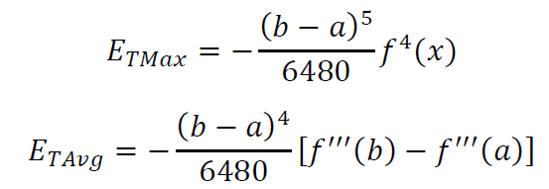

 |  |  |  | Here we have a fourth derivative in the max error and a third derivative in the average error.
 |  |  |  |  | Our function is x cubed so
$$y=x^{3}$$
$$y^{′}=3x^{2}$$
$$y^{′′}=6x$$
$$y^{′′′}=6$$
$$y^{4}=0$$

 |  |  |  |  | If we were to plug in 6 to our average equation we'd simply get 6-6=0, multiplied by a constant gives 0, as such that value is zero.
 |  |  |  |  | The same idea applies to the max error, where if we plugged in the 4th derivative, i.e. 0, we'd get 0 times a constant which is zero.

 | Part d)

 |  | Let's find the exact answer:
$$\int_{1}^{8}{x^{3}dx}={\left(\frac{1}{4}x^{4}\right)}_{1}^{8}=\frac{1}{4}{\left(x^{4}\right)|}_{1}^{8}=\frac{1}{4}\left(8^{4}−1^{4}\right)=\frac{1}{4}\left(4096−1\right)=\frac{1}{4}\left(4095\right)=1023.75$$

 |  | As expected it's the same as our Simpson's results.

 |  | Compared to a)
 |  |  |  | Our approximation was: 1025.679375, this minus 1023.75 gives: |  |  |  | 1.929375
 |  |  |  | this value divided by our exact gives: |  |  |  | 0.0018846153846 | (or roughly 0.19%)
 |  |  |  | Which isn't too far off, especially with such a sharply rising curve and only 20 sub intervals
 |  |  |  | However it clearly isn't as good as Simpson's or the Romberg/Richardson calculations
 |  | Compared to b)
 |  |  |  | This was impressive! After 1 iteration it already landed perfectly without rounding error onto the exact value for all four of the richardson extrapolations.
 |  |  |  | This made the successive Romberg calculations more tedious than anything as we'd already landed on the exact value.
 |  | Compared to c)
 |  |  |  | Part c again was to be expected. Simpson's rule approximates curves using polynomials. So it's no surprise that it perfectly matched the integration value with either technique.

 | As desired we:
 |  | a) Evaluated using the Trapezoid Rule with n = 20
 |  | b) Performed Richardson and Romberg to termination in Excel.
 |  | c) Evaluated with n = 7 using Simpson's Rule and found the average and maximum errors.
 |  | d) Found the exact solution and compared to parts (a), (b), and (c).

Problem 4
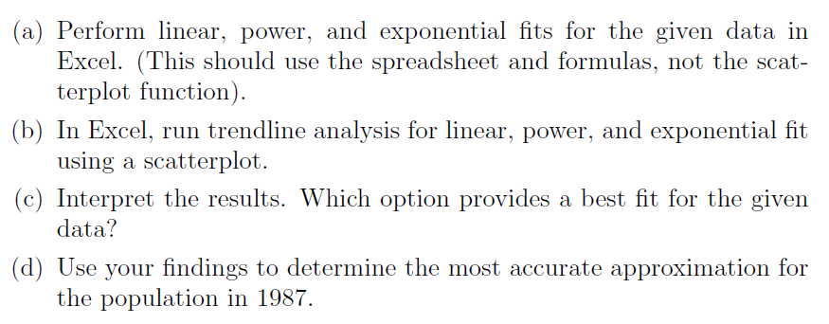
Problem #4
 | Consider the following data
 |  | Year | Population
 |  | 1900 | 196,000
 |  | 1910 | 329,000
 |  | 1920 | 363,000
 |  | 1930 | 427,000
 |  | 1940 | 531,000 |  |  |  |  |  |  |  |  | 1.2780214332
 |  | 1950 | 689,000
 |  | 1960 | 954,000
 |  | 1970 | 1,017,055
 |  | 1980 | 1,309,400
 |  | 1990 | 1,519,933
 |  | 2000 | 1,821,204
 |  | 2010 | 2,064,588
Solution:
 | Part a)
 | Count | Year | Population |  | We start with our plot to visualize our data. We notice it has a nice upward trend that doesn't seem to be a smooth curve or quite a line so we'll need to analyze it further.
Population v Time
 | 1 | 1900 | 196,000
 | 2 | 1910 | 329,000
 | 3 | 1920 | 363,000
 | 4 | 1930 | 427,000
 | 5 | 1940 | 531,000
 | 6 | 1950 | 689,000
 | 7 | 1960 | 954,000
 | 8 | 1970 | 1,017,055
 | 9 | 1980 | 1,309,400
 | 10 | 1990 | 1,519,933
 | 11 | 2000 | 1,821,204
 | 12 | 2010 | 2,064,588

$$L:y_{i}−\hat{y}$$
$$L^{2}$$
$$P:y_{i}−\hat{y}$$
$$P^{2}$$
$$E:y_{i}−\hat{y}$$
$$E^{2}$$
$$S_{t}$$
We provide the calculations below that give the above coefficients and equations
x | y | Sx, x | Sy, y | Sxx, xx | Sxy, xy | Sx, ln x | Sy, ln y | Sxy, lnxlny | Sxx, lnxlnx | Sxy, xlny
1900 | 196000 | 1900 | 196000.0000 | 3610000 | 372400000 | 7.5496091652 | 12.185869938 | 91.9985553709 | 56.9965985466 | 23153.1529 | 188170.8974 | 35408286641.8333 | -38260.0642 | 1463832510.5078 | -40712.2727 | 1657489150.1517 | 546266346336.1112
1910 | 329000 | 1910 | 329000.0000 | 3648100 | 628390000 | 7.554858521 | 12.70381303 | 95.9755101175 | 57.0758872729 | 24264.2829 | 152576.4918 | 23279585862.6578 | 39271.7291 | 1542268707.9156 | 37847.0012 | 1432395498.9035 | 367355189669.4445
1920 | 363000 | 1920 | 363000.0000 | 3686400 | 696960000 | 7.560080465 | 12.802158113 | 96.7853454621 | 57.1548166376 | 24580.1436 | 17982.0862 | 323355425.7978 | 5067.1626 | 25676136.9711 | 4885.6203 | 23869285.5368 | 327296503002.7778
1930 | 427000 | 1930 | 427000.0000 | 3724900 | 824110000 | 7.5652752819 | 12.964539292 | 98.0803086486 | 57.2333900909 | 25021.5608 | -86612.3193 | 7501693862.7212 | -14708.0061 | 216325444.5215 | -13476.0023 | 181602636.7444 | 258163916336.1112
1940 | 531000 | 1940 | 531000.0000 | 3763600 | 1030140000 | 7.5704432521 | 13.1825173 | 99.7974991406 | 57.3116110326 | 25574.0836 | -151206.7249 | 22863473667.6008 | -13498.8765 | 182219667.1902 | -10779.7205 | 116202374.7004 | 163295463002.7778
1950 | 689000 | 1950 | 689000.0000 | 3802500 | 1343550000 | 7.5755846516 | 13.44299655 | 101.8385583351 | 57.3894828129 | 26213.8433 | -161801.1305 | 26179605842.7691 | 18511.1695 | 342663394.4084 | 22618.0312 | 511575336.7718 | 60564389669.4445
1960 | 954000 | 1960 | 954000.0000 | 3841600 | 1869840000 | 7.5806997522 | 13.76841895 | 104.3742501261 | 57.4670087334 | 26986.1011 | -65395.5361 | 4276576145.7998 | 129247.3328 | 16704873046.7571 | 134358.8959 | 18052312914.2768 | 357273002.7778
1970 | 1017055 | 1970 | 1017055.0000 | 3880900 | 2003598350 | 7.5857888217 | 13.832421754 | 104.9298303205 | 57.5441920479 | 27249.8709 | -170934.9417 | 29218754302.5077 | 3614.5425 | 13064917.1834 | 8907.1644 | 79337577.8758 | 6716895211.1111
1980 | 1309400 | 1980 | 1309400.0000 | 3920400 | 2592612000 | 7.5908521237 | 14.085079575 | 106.9177562041 | 57.6210359637 | 27888.4576 | -47184.3473 | 2226362631.9523 | 65401.9218 | 4277411379.8774 | 69391.3507 | 4815159547.7566 | 140101737669.4444
1990 | 1519933 | 1990 | 1519933.0000 | 3960100 | 3024666670 | 7.5958899177 | 14.234176813 | 108.1212401402 | 57.6975436421 | 28326.0119 | -5245.7529 | 27517923.6321 | -5498.4930 | 30233425.0838 | -5261.4171 | 27682509.5346 | 342031587335.1111
2000 | 1821204 | 2000 | 1821204.0000 | 4000000 | 3642408000 | 7.6009024595 | 14.415008379 | 109.5670726407 | 57.7737181995 | 28830.0168 | 127430.8415 | 16238619363.3205 | -47419.1733 | 2248577997.5595 | -54765.1806 | 2999225008.4349 | 785183252498.7777
2010 | 2064588 | 2010 | 2064588.0000 | 4040100 | 4149821880 | 7.6058900011 | 14.540441249 | 110.5929967046 | 57.8495627081 | 29226.2869 | 202220.4359 | 40893104694.5505 | -222122.5969 | 49338448062.0803 | -242829.5510 | 58966190843.8492 | 1275746907106.7773
 |  | 23460 | 11221180.00 | 45878600 | 22178496900 | 90.9358744127 | 162.1574409437 | 1228.9789232109 | 689.1148476883 | 317313.8121 |  | 208436936365.1430 |  | 76385594690.0561 |  | 88863042684.5363 | 4273079460840.6665

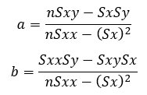
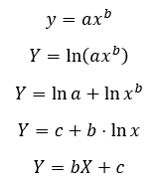
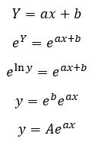
$$linear a$$
$$linear b$$
 |  |  |  |  |  |  |  | Coefficent | Value | *Green highlight is used in the equation
 |  |  |  |  |  |  |  |  | 16859.4405594406
 |  |  |  |  |  |  |  |  | -32025108
$$power a$$
$$r Calculations$$
 |  |  |  |  |  |  |  |  | 40.483367445
$$power b, e^{b}$$
 |  |  |  |  |  |  |  |  | -293.26941473 | 4.3123248639E-128 |  | Linear | 0.97530554594
$$exponential a$$
 |  |  |  |  |  |  |  |  | 0.020700353367 |  |  | Power | 0.99102169192
$$exponential b, e^{b}$$
 |  |  |  |  |  |  |  |  | -26.956070755 | 1.963935486E-12 |  | Exponential | 0.98954736155
$$n=$$
 |  |  |  |  |  |  |  |  | 12
$$Average y$$
 |  |  |  |  |  |  |  |  | 935098 |  |  | Power r - Exp. R= | 0.0014743303663
$$best r=$$
 |  |  |  |  |  |  |  |  | 0.99102169192
 | As such our three equations from our calculated values are:
$$y=16859.4405594406 x−32025108$$
 | Linear
$$y=4.3123⋅{10}^{−128}x^{40.48336744}$$
 | Power
$$y=1.96394⋅{10}^{−12}e^{0.020700353 }$$
 | Exponential

 | Our correlation coefficient for our power curve is close to 1. Our expontential is close to 0.9 and our linear is clearly the furthest off.

 | Part b)
 | We've now been asked to do a trend line analysis for each plot.
Population v Time

 |  | By looking at each of these plots it's clear that the linear plot isn't the best. However the power and exponential plots look almost idential. At the very end of the plot you can see that
 |  |  | the power curve starts to be a little closer to the last data point, so a good eyeball guess would be the power curve. This is substantiated by a higher R^2 from excel and higher r from our calculations

 | Part c)
 |  | We will have to look at our calculated values for r to determine which is the best.
 |  | Our power curve being slightly better than our exponential curve happens to match up with what we otherwise see from our r values, but just barely!
 |  | The delta between the two is just: 0.0014743, meaning we're roughly .15% better off using the power curve as opposed to the expontential curve.
 |  |  | Therefore, the power curve is the best fit.
 | Part d)
 |  | Now that we know the best curve is in fact the power curve, we'll plug our desired value of 1987 into the equation for the power curve and determine our result:

 |  |  | y at 1987= | 1435052

 |  | Given our data, and given that 1987 is within our original dataset, (so we're interpolating instead of extrapolating), we can be fairly certain that the population in 1987 was close to 1,435,052

 | As desired we:
 |  | a) Performed linear, power, and exponential fits for the given data.
 |  | b) Ran trendline analysis for linear, power, and exponential fit using a scatterplot.
 |  | c) Interpreted the results and picked the best fit for the data
 |  | d) Used our findings to determine the most accurate approximation for the population in 1987.

Problem 5abc
Problem #5 a,b, and c
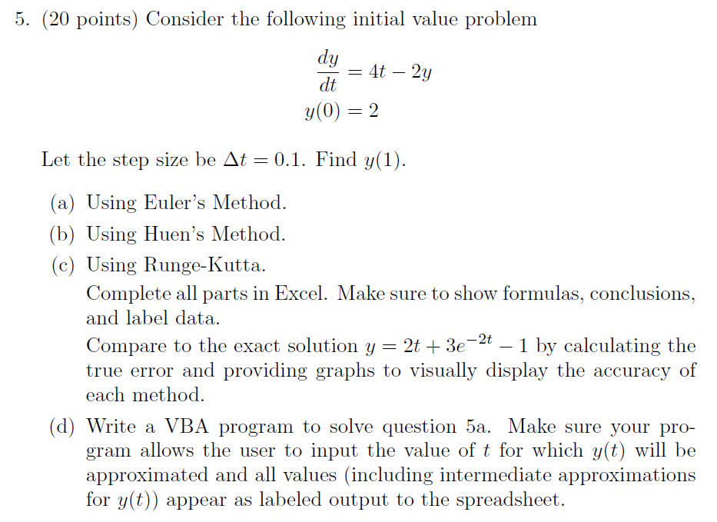

$$\frac{dy}{dt}=4t−2y$$
$$y\left(0\right)=2$$
Solution:
 | We state our givens:
 |  | Problem:

$$Δt=0.1$$

$$y=2t+3e^{−2t}−1$$
 |  | Exact

 | Equations:

 |  | Euler |  |  |  |  |  |  |  | Error (same for all approximations)
$$E_{T}=\left|\frac{Exact−Approx}{Exact}\right|$$
 |  |  |  |  |  | (Note: used as y* for Huen Calculations)

 |  | Huen

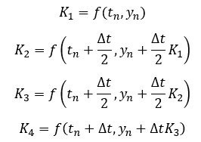
 |  | Runge-Kutta
 |  |  |  |  |  |  | Where:

$$Δt=$$
ODE: Euler's vs Exact
 | *Used for all as delta t doesn't change
 |  | 0.1
 | Euler's Method
$$n$$
$$t_{n}$$
$$y_{n}$$
$$E_{T}$$
 |  |  |  | Exact
 | 0 | 0 | 2.00000 | 2 | 0
 | 1 | 0.1 | 1.60000 | 1.6561923 | 0.0561923
 | 2 | 0.2 | 1.32000 | 1.4109601 | 0.0909601
 | 3 | 0.3 | 1.13600 | 1.2464349 | 0.1104349
 | 4 | 0.4 | 1.02880 | 1.1479869 | 0.1191869
 | 5 | 0.5 | 0.98304 | 1.1036383 | 0.1205983
 | 6 | 0.6 | 0.98643 | 1.1035826 | 0.1171506
 | 7 | 0.7 | 1.02915 | 1.1397909 | 0.1106453
 | 8 | 0.8 | 1.10332 | 1.2056896 | 0.1023731
 | 9 | 0.9 | 1.20265 | 1.2958967 | 0.0932435
 | 10 | 1.0 | 1.32212 | 1.4060058 | 0.0838833

 |  | We can see that the method does a decent job at approximating the curve (especially qualitatively), however there is a noticeable gap between our exact equation and our Euler's approximation.
 |  | y(1)= | 1.3221225472

$$n$$
$$t_{n}$$
$$y_{n}^{∗}$$
$$y_{n}$$
$$E_{T}$$
ODE: Huen's vs Exact
 | Huen's Method
 |  |  |  |  | Exact
 | 0 | 0 | 2 | 2 | 2 | 0
 | 1 | 0.1 | 1.6 | 1.66 | 1.6561923 | 0.0038077
 | 2 | 0.2 | 1.368 | 1.4172 | 1.4109601 | 0.0062399
 | 3 | 0.3 | 1.21376 | 1.254104 | 1.2464349 | 0.0076691
 | 4 | 0.4 | 1.1232832 | 1.15636528 | 1.1479869 | 0.0083784
 | 5 | 0.5 | 1.085092224 | 1.1122195296 | 1.1036383 | 0.0085812
 | 6 | 0.6 | 1.0897756237 | 1.1120200143 | 1.1035826 | 0.0084374
 | 7 | 0.7 | 1.1296160114 | 1.1478564117 | 1.1397909 | 0.0080655
 | 8 | 0.8 | 1.1982851294 | 1.2132422576 | 1.2056896 | 0.0075527
 | 9 | 0.9 | 1.2905938061 | 1.3028586512 | 1.2958967 | 0.0069620
 | 10 | 1.0 | 1.402286921 | 1.412344094 | 1.4060058 | 0.0063382

 |  | y(1)= | 1.412344094

 |  | Immediately we see that this is a much better fit. That also makes sense given non of our error calculations are above 1%. We still however can see slightly in some areas where it comes off the curve so there's room for imporvement.

$$n$$
$$t_{n}$$
$$K_{1}$$
$$K_{2}$$
$$K_{3}$$
$$K_{4}$$
$$y_{n}$$
$$E_{T}$$
ODE: Runge-Kutta vs Exact
 | Runge-Kutta Method
 |  |  |  |  |  |  |  | Exact
 | 0 | 0 | -4 | -3.4 | -3.46 | -2.908 | 2 | 2 | 0
 | 1 | 0.1 | -2.9124 | -2.42116 | -2.470284 | -2.0183432 | 1.6562 | 1.6561922592 | 0.0000077408
 | 2 | 0.2 | -2.0219456267 | -1.619751064 | -1.6599705203 | -1.2899515226 | 1.4109728133 | 1.4109601381 | 0.0000126752
 | 3 | 0.3 | -1.2929009494 | -0.96361085447 | -0.99653986396 | -0.69359297661 | 1.2464504747 | 1.2464349083 | 0.0000155664
 | 4 | 0.4 | -0.69600777064 | -0.42640699358 | -0.45336707129 | -0.20533435639 | 1.1480038853 | 1.1479868924 | 0.0000169930
 | 5 | 0.5 | -0.20731142875 | 0.013419714123 | -0.0086534001641 | 0.19441925128 | 1.1036557144 | 1.1036383235 | 0.0000173909
 | 6 | 0.6 | 0.19280055623 | 0.37352050061 | 0.35544850617 | 0.521710855 | 1.1035997219 | 1.1035826357 | 0.0000170861
 | 7 | 0.7 | 0.52038557541 | 0.66834701787 | 0.65355087362 | 0.78967540068 | 1.1398072123 | 1.1397908918 | 0.0000163205
 | 8 | 0.8 | 0.7885903501 | 0.90973131509 | 0.8976172186 | 1.0090669064 | 1.2057048249 | 1.205689554 | 0.0000152710
 | 9 | 0.9 | 1.0081785393 | 1.1073606854 | 1.0974424708 | 1.1886900452 | 1.2959107303 | 1.2958966647 | 0.0000140657
 | 10 | 1.0 | 1.1879627094 | 1.2691664385 | 1.2610460656 | 1.3357534963 | 1.4060186453 | 1.4060058497 | 0.0000127956

 |  | As expected the Runge-Kutta method has delievered error values that are miniscule compared to
 |  |  | the other methods we've used. In the chart to the right it seems impossible to tell
 |  |  | that there are two distinct curves. With each error being so low (thousandths of a percent)
 |  |  | this isn't surprising.

 |  | y(1)= | 1.4060186453

 | Lastly, to compare them all together we can plot them on one large joined scatter plot:
ODE: Euler / Huen / Runge-Kutta Side-by-Side

 | It is now impossible to see any difference between Runge-Kutta and the exact curve. By zooming in enough we can still see a slight gap between Huen's and the exact. And as before Euler's is still the least accurate.

 | As desired we used Euler's, Huen's and the Runge-Kutta methods to approximate the values of our curve and interpreted the results.

Problem 5d
Problem #5 d

 |  |  |  |  |  |  | Note to Grader:
 |  |  |  |  |  |  |  | I had planned on doing input boxes for the various values of the initial t and y, as well as the step size
 |  |  |  |  |  |  |  | and desired final t value, however even with the most simple of code such as
 |  |  |  |  |  |  |  |  | Dim delt, t as Double
 |  |  |  |  |  |  |  |  |  | Do While i < 10
 |  |  |  |  |  |  |  |  |  |  | t = delt + t
 |  |  |  |  |  |  |  |  |  |  | i = i + 1
 |  |  |  |  |  |  |  |  |  | Loop
 |  |  |  |  |  |  |  | It kept forcing all of my values to be read as strings when I'd defined nothing as a string and even addeded things like:
 |  |  |  |  |  |  |  |  | delt = delt + 1# - 1#
 |  |  |  |  |  |  |  |  | to try force it to recognize itself as double.
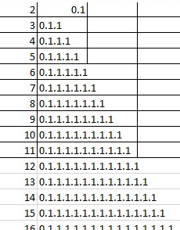
 |  |  |  |  |  |  |  | In the end I would get this as an output
 |  |  |  |  |  |  |  | VBA simply wasn't cooperating after my computer went through a windows update…

 |  |  |  |  |  |  |  | Therefore the "in cell" inputs are used below (which I know aren't preffered) but given
 |  |  |  |  |  |  |  |  | what was happening I couldn't make the program work otherwise...

Solution:
 | Givens: |  |  |  | Euler's Method
$$\frac{dy}{dt}=4t−2y$$
$$y\left(0\right)=2$$

 |  |  |  |  | Error Equation:
$$Δt=0.1$$
$$E_{T}=\left|\frac{Exact−Approx}{Exact}\right|$$
 | Exact:
$$y=2t+3e^{−2t}−1$$

$$\frac{dy}{dt}=4t−2y$$
 | User Instructions:
 |  | This program will calculate various steps and iterations of Euler's Method for the equation:
 |  |  | 1. Enter the initial conditions into the green highlighted cells below
 |  |  |  | 1a. Enter delta t, the step size
 |  |  |  | 1b. Enter the initial condition for y (Ex. y(0)=2, enter "2")
 |  |  |  | 1c. Enter the initial condition for t (Ex. y(0)=2, enter "0")
 |  |  | 2. Enter the desired final t value being approximated into the last green highlighted cell (Ex. Find y(1), enter "1")
 |  |  | 3. Press the macro button to run the program
 |  |  | 4. The answer should be displayed in the table to the right

$$Δt=$$
$$y_{0}=$$
$$t_{0}=$$
 |  |  | 1a
 |  |  | 1b
 |  |  | 1c
$$find y(?)=$$
 |  |  | 2
 |  | Euler's Method |  |  |  | Approximation at n
$$n$$
$$t_{n}$$
$$y_{n}$$
$$E_{T}$$
$$n$$
$$t_{n}$$
$$y_{n}$$
 |  |  |  |  | Exact

